C 1
General government debt minus the state debt financing reserve
 | 2010 | 2011 | 2012 | 2013 | 2014 | 2015 | 2016 | 2017 | 2018 | 2019 | 2020 | 2021 | 2022 | 2023 | 2024
General government debt adjusted pursuant to Section 13 of Act No. 23/2017 Coll. (% of GDP) | 35.70 | 38.08 | 41.02 | 43.38 | 41.90 | 39.90 | 36.70 | 34.70 | 32.60 | 30.00 | 37.80 | 43.50 | 46.2 | 49.2 | 51.8
Debt brake threshold under Act No. 23/2017 Coll. |  |  |  |  |  |  |  | 55.00 | 55.00 | 55.00 | 55.00 | 55.00 | 55.00 | 55.00 | 55.00
 |  |  |  |  |  |  |  |  |  |  |  | 60 | 60 | 60 | 60
 |  | General government debt adjusted pursuant to Section 13 of Act No. 23/2017 Coll. (% of GDP) | Debt brake threshold under Act No. 23/2017 Coll.
2010 |  | 35.70
2011 |  | 38.08
2012 |  | 41.02
2013 |  | 43.38
2014 |  | 41.90
2015 |  | 39.90
2016 |  | 36.70
2017 |  | 34.70 | 55
2018 |  | 32.60 | 55
2019 |  | 30.00 | 55
2020 |  | 37.80 | 55
2021 | 60 | 43.50 | 55
2022 | 60 | 46.20 | 55
2023 | 60 | 49.20 | 55
2024 | 60 | 51.80 | 55

Back to Contents

 |  |  |  |  |  |  |  |  |  |  |  | 60 | 60 | 60 | 60

C B1.1
The general government structural balance (projection for 2021–2032)
 | First amendment of Act | Second amendment of Act | Convergence programme (April 2021) | Current outlook (MF CR, August 2021) | Original threshold of rule under Act
2021 | -4.0 | -5.9 | -6.5 | -6.1 | -1.0
2022 | -3.5 | -5.4 | -6.0 | -5.6 | -1.0
2023 | -3.0 | -4.9 | -5.5 | -5.1 | -1.0
2024 | -2.5 | -4.4 | -5.3 | -4.6 | -1.0
2025 | -2.0 | -3.9 | -4.8 | -4.1 | -1.0
2026 | -1.5 | -3.4 | -4.3 | -3.6 | -1.0
2027 | -1.0 | -2.9 | -3.8 | -3.1 | -1.0
2028 | -1.0 | -2.4 | -3.3 | -2.6 | -1.0
2029 | -1.0 | -1.9 | -2.8 | -2.1 | -1.0
2030 | -1.0 | -1.4 | -2.3 | -1.6 | -1.0
2031 | -1.0 | -1.0 | -1.8 | -1.1 | -1.0
2032 | -1.0 | -1.0 | -1.3 | -1.0 | -1.0

 |  |  |  |  |  | Back to Contents

C B1.2
General government debt (projection for 2021–2028)
 | 2019 | 2020 | 2021 | 2022 | 2023 | 2024 | 2025 | 2026 | 2027 | 2028
First amendment of Act | 30.8 | 38.1 | 42.5 | 43.6 | 44.7 | 45.2 | 45.3 | 44.9 | 44.0 | 43.2
Second amendment of Act | 30.8 | 38.1 | 44.4 | 47.3 | 50.2 | 52.6 | 54.4 | 55.7 | 56.4 | 56.7
Convergence programme (April 2021) | 30.8 | 38.1 | 45.0 | 48.5 | 52.0 | 55.2 | 57.9 | 60.0 | 61.5 | 62.5
Current outlook (MF CR, August 2021) | 30.0 | 37.8 | 43.5 | 46.2 | 49.2 | 51.8 | 53.9 | 55.4 | 56.3 | 56.8
Debt brake under Act | 55.0 | 55.0 | 55.0 | 55.0 | 55.0 | 55.0 | 55.0 | 55.0 | 55.0 | 55.0

Back to Contents

C 2
 | Initial expenditure level | Government budgetary reserve | Social benefits | Payments for state insurees | Transfers | Other increases in expenditure
Approved state budget (December 2019) | 1,618
State budget after first amendment (March 2020) | 1,618 | 59 | 10 |  |  | 1
State budget after second amendment (April 2020) | 1,688 | 15 |  | 22 |  | 3
State budget after third amendment (July 2020) | 1,728 | 34 |  |  | 95 | 11
Impacts of amendments to the State Budget Act on expenditure
 | Approved state budget (December 2019) | State budget after first amendment (March 2020) | State budget after second amendment (April 2020) | State budget after third amendment (July 2020)
Initial expenditure level | 1,618 | 1,618 | 1,688 | 1,728
Government budgetary reserve |  | 59 | 15 | 34
Social benefits |  | 10
Payments for state insurees |  |  | 22
Transfers |  |  |  | 95
Other increases in expenditure |  | 1 | 3 | 11

 |  |  |  |  | Back to Contents

C 3
The general government structural balance
 | 2010 | 2011 | 2012 | 2013 | 2014 | 2015 | 2016 | 2017 | 2018 | 2019 | 2020 | 2021 | 2022 | 2023 | 2024
Structural balance – actual path and MF CR prediction | -3.6 | -2.4 | -1.2 | 0.1 | -0.7 | -0.5 | 1.1 | 0.8 | 0.0 | -1.0 | -2.9 | -6.1 | -5.6 | -5.1 | -4.6
Structural deficit limit under original Act No. 23/2017 Coll. |  |  |  |  |  |  |  |  | -1.5 | -1.25 | -1.0 | -1.0 | -1.0 | -1.0 | -1.0
Structural deficit limit after first amendment (Act No. 207/2020 Coll.) |  |  |  |  |  |  |  |  |  |  |  | -4.0 | -3.5 | -3.0 | -2.5
Structural deficit limit after second amendment (Act No. 609/2020 Coll.) |  |  |  |  |  |  |  |  |  |  |  | -6.1 | -5.6 | -5.1 | -4.6

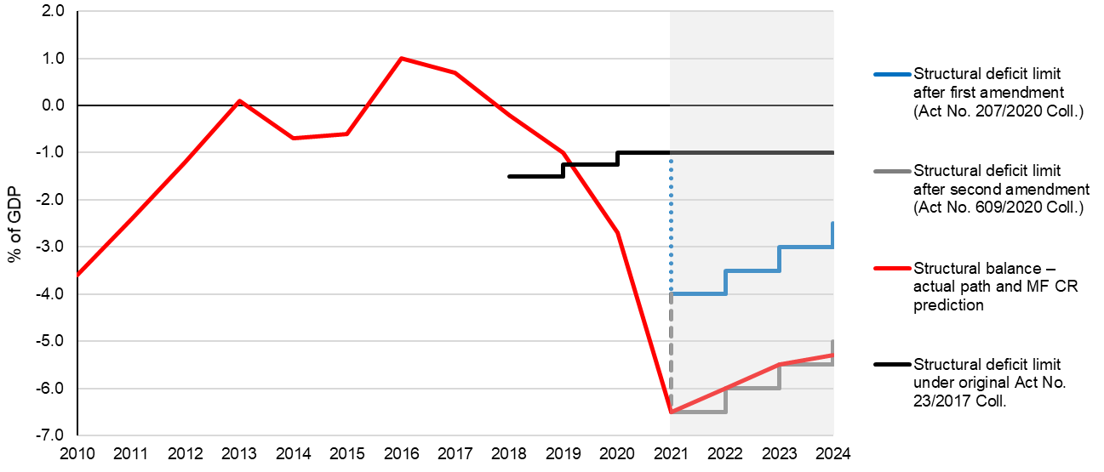

Back to Contents

C 4
Decomposition of the overall general government balance
 | 2010 | 2011 | 2012 | 2013 | 2014 | 2015 | 2016 | 2017 | 2018 | 2019 | 2020 | 2021 | 2022 | 2023 | 2024
Overall balance | -4.2 | -2.7 | -3.9 | -1.3 | -2.1 | -0.6 | 0.7 | 1.5 | 0.9 | 0.3 | -6.1 | -7.7 | -5.0 | -4.5 | -4.1
Structural balance | -3.7 | -2.4 | -1.1 | 0.2 | -0.7 | -0.5 | 1.1 | 0.8 | 0.0 | -1.0 | -2.9 | -6.1 | -5.6 | -5.1 | -4.6
One-off measures | 0.1 | -0.1 | -1.9 | -0.1 | -0.5 | -0.1 | -0.1 | 0.0 | -0.1 | 0.0 | -2.1 | -1.4 | 0.0 | 0.0 | 0.0
Cyclical component | -0.5 | -0.2 | -0.8 | -1.3 | -0.9 | -0.1 | -0.2 | 0.7 | 1.0 | 1.3 | -1.1 | -0.2 | 0.6 | 0.6 | 0.5

Back to Contents

C B2.1
Structural balances in EU countries in 2019 and their projected levels in 2024
 | Structural balance 2019 | Structural balance 2024 (IMF) | Structural balance 2024 (programmes)
*Bulgaria | 0.8 | -0.7 | n.a.
Greece | 3.8 | -1.9 | 1.4
Sweden | -0.4 | 0.2 | 1.1
Cyprus | 0.0 | 0.0 | 0.8
Luxembourg | 2.2 | 0.1 | 0.4
Denmark | 0.5 | -0.2 | -0.1
Latvia | -1.4 | -0.5 | -0.3
Croatia | 0.5 | -2.2 | -0.5
Germany | 1.3 | 0.5 | -0.5
Ireland | 0.0 | -0.9 | -0.9
Netherlands | 1.8 | -0.7 | -1.1
Finland | -0.3 | -2.0 | -1.6
Lithuania | 0.1 | 0.0 | -1.7
Portugal | 0.1 | 0.6 | -1.9
Estonia | -0.9 | -3.8 | -2.1
Austria | -0.7 | -1.2 | -2.5
Hungary | -3.1 | -2.2 | -2.9
Malta | 0.2 | -1.2 | -3.0
Slovenia | 0.1 | -2.7 | -3.3
Poland | -1.4 | -2.9 | -3.4
Slovakia | -1.7 | -3.7 | -3.5
Romania | -5.0 | -5.9 | -3.6
Belgium | -2.2 | -4.7 | -3.7
France | -2.0 | -3.4 | -3.8
Italy | -1.1 | -2.9 | -3.8
Spain | -3.2 | -4.6 | -4.2
Czech Rep. | -0.6 | -5.0 | -5.3 | Back to Contents

C B2.2
Public debt in EU countries in 2019 and its projected levels in 2024
 | Public debt 2019 | Public debt 2024 (IMF) | Public debt 2024 (programmes)
*Bulgaria | 18.4 | 26.6 | 0.0
Estonia | 8.4 | 37.3 | 28.0
Luxembourg | 22.0 | 27.2 | 28.2
Sweden | 35.1 | 37.3 | 31.4
Denmark | 33.0 | 44.2 | 41.3
Latvia | 37.0 | 42.2 | 48.5
Romania | 36.8 | 60.1 | 52.4
Czech Rep. | 30.2 | 53.9 | 54.5
Netherlands | 47.6 | 55.0 | 55.3
Ireland | 57.4 | 59.7 | 57.7
Lithuania | 35.9 | 43.2 | 57.9
Poland | 45.7 | 55.3 | 57.9
Malta | 42.0 | 53.1 | 65.6
Slovakia | 48.5 | 63.4 | 65.8
Germany | 59.6 | 62.2 | 72.0
Finland | 59.3 | 70.6 | 74.7
Hungary | 65.3 | 74.7 | 75.7
Croatia | 72.8 | 77.7 | 76.8
Slovenia | 65.6 | 76.7 | 78.0
Austria | 70.5 | 82.7 | 87.6
Cyprus | 94.0 | 95.1 | 92.9
Spain | 95.5 | 116.8 | 112.5
Portugal | 116.8 | 117.6 | 117.1
Belgium | 98.1 | 118.9 | 117.4
France | 98.1 | 115.9 | 118.0
Italy | 134.6 | 153.7 | 152.7 | Back to Contents
Greece | 184.9 | 189.1 | 166.1

C B2.3
Projected differences in public debt as a percentage of GDP between 2024 and 2019
 | Difference according to IMF (2024 vs 2019) | Difference according to programmes (2024 vs 2019)
Greece | 4.2 | -18.8
Sweden | 2.2 | -3.7
Cyprus | 1.1 | -1.1
*Bulgaria | 8.2 | 0.0
Portugal | 0.7 | 0.3
Ireland | 2.4 | 0.3
Croatia | 4.9 | 4.0
Luxembourg | 5.2 | 6.2
Netherlands | 7.4 | 7.7
Denmark | 11.1 | 8.3
Hungary | 9.4 | 10.4
Latvia | 5.2 | 11.5
Poland | 9.6 | 12.2
Germany | 2.6 | 12.4
Slovenia | 11.1 | 12.4
Finland | 11.2 | 15.4
Romania | 23.2 | 15.6
Spain | 21.3 | 17.0
Austria | 12.1 | 17.1
Slovakia | 14.9 | 17.3 | Back to Contents
Italy | 19.2 | 18.1
Belgium | 20.8 | 19.3
Estonia | 28.9 | 19.6
France | 17.8 | 19.9
Lithuania | 7.3 | 22.0
Malta | 11.1 | 23.6
Czech Rep. | 23.7 | 24.3

C B2.4
 | 2024-2021
19.09 | -2.00
18.24 | 3.30
13.77 | -11.90
17.86 | -25.30
9.00
14.55 | 16.40
7.69 | -0.90
12.96 | 9.80
12.27 | 5.40
19.73 | 2.30
14.86 | 2.20
19.90 | -39.50
14.57 | -4.70
4.81 | -1.80
25.24 | -3.10
11.93 | 5.00
16.19 | 10.60
4.91 | 3.30
23.01 | 11.30
11.00 | 0.90
14.32 | 0.40
11.16 | -16.50
13.98 | 5.10
15.64 | 5.20
14.80 | -2.80
23.99 | -7.50
4.77 | -8.50
Comparison of growth in public debt-to-GDP ratios during and after the COVID-19 pandemic
 | 2021-2019 | 2024-2021
AUT | 19.09 | -2.00
BEL | 18.24 | 3.30
CRO | 13.77 | -11.90
CYP | 17.86 | -25.30
BUL | 9.00
CZE | 14.55 | 16.40
DEN | 7.69 | -0.90
EST | 12.96 | 9.80
FIN | 12.27 | 5.40
FRA | 19.73 | 2.30
GER | 14.86 | 2.20
GRE | 19.90 | -39.50
HUN | 14.57 | -4.70
IRL | 4.81 | -1.80
ITA | 25.24 | -3.10
LAT | 11.93 | 5.00
LIU | 16.19 | 10.60
LUX | 4.91 | 3.30
MLT | 23.01 | 11.30
NED | 11.00 | 0.90
POL | 14.32 | 0.40
POR | 11.16 | -16.50
ROM | 13.98 | 5.10
SVK | 15.64 | 5.20
SLO | 14.80 | -2.80
SPA | 23.99 | -7.50
SWE | 4.77 | -8.50

 |  |  | Back to Contents

C 5
Local government investment in the Czech Republic 2016–2020
 | Gross fixed capital formation | 10-year average
2016Q1 | 1.8 | 2.02
2016Q2 | 1.0 | 2.02
2016Q3 | 1.2 | 2.02
2016Q4 | 1.3 | 2.02
2017Q1 | 2.0 | 2.02
2017Q2 | 1.3 | 2.02
2017Q3 | 1.4 | 2.02
2017Q4 | 1.6 | 2.02
2018Q1 | 1.9 | 2.02
2018Q2 | 1.9 | 2.02
2018Q3 | 2.2 | 2.02
2018Q4 | 2.5 | 2.02
2019Q1 | 2.2 | 2.02
2019Q2 | 2.0 | 2.02
2019Q3 | 2.2 | 2.02
2019Q4 | 2.2 | 2.02 | Back to Contents
2020Q1 | 2.4 | 2.02
2020Q2 | 2.2 | 2.02
2020Q3 | 2.1 | 2.02
2020Q4 | 2.4 | 2.02

C 6
Numbers of municipalities in ranges according to the percentage level of the budgetary responsibility rule indicator, 2019 versus 2020
Debt-to-revenue ratio (%) | No. of municipalities

 | 2019 | 2020
0–20 | 4,702 | 4,675
20–40 | 640 | 646
40–60 | 363 | 358
60–80 | 222 | 236
80–100 | 130 | 145
100–120 | 85 | 77
120–140 | 45 | 52
140–160 | 23 | 29
160–180 | 17 | 12
180–200 | 11 | 9
200 or more | 16 | 15
 | 6,254 | 6,254

 |  |  | Back to Contents

C 7
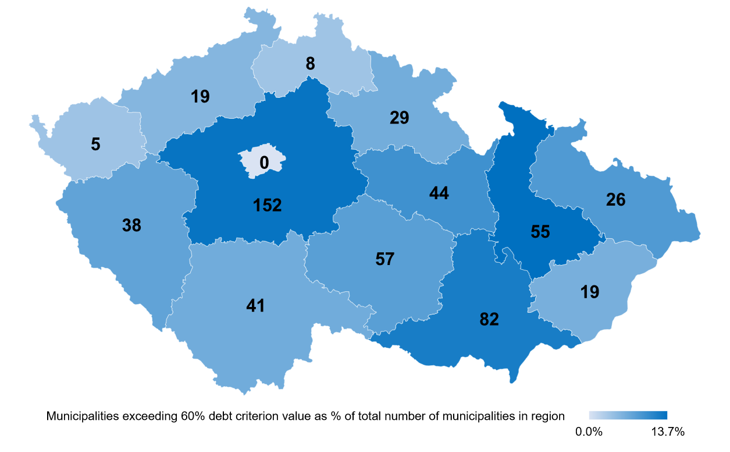
Number of municipalities exceeding the 60% debt criterion value of the budget responsibility rule
 | Number of municipalities exceeding the 60% debt criterion value of the budget responsibility rule | Municipalities exceeding 60% debt criterion value as % of total number of municipalities in region
Prague | 0 | 0.0%
Olomouc | 55 | 13.7%
South Moravia | 82 | 12.2%
Hradec Králové | 29 | 6.5%
Plzeň | 38 | 7.6%
South Bohemia | 41 | 6.6%
Moravia-Silesia | 26 | 8.7%
Vysočina | 57 | 8.1%
Central Bohemia | 152 | 13.3%
Karlovy Vary | 5 | 3.8%
Zlín | 19 | 6.2%
Liberec | 8 | 3.7%
Ústí nad Labem | 19 | 5.4%
Pardubice | 44 | 9.8%

 |  |  | Back to Contents

C 8
Regions by debt-to-average revenue ratio over the last four years, 2019 versus 2020
 | 2019 | 2020
Prague | 23.7 | 21.6
Olomouc | 23.5 | 20.4
Zlín | 14.7 | 12.2
Central Bohemia | 9.1 | 10.2
South Moravia | 8.6 | 10.0
Pardubice | 7.8 | 8.8
Ústí nad Labem | 5.3 | 7.0
Moravia-Silesia | 9.3 | 6.9
Karlovy Vary | 5.2 | 4.9
Hradec Králové | 0.0 | 4.3
Liberec | 4.3 | 3.0
Vysočina | 3.2 | 2.5
Plzeň | 0.0 | 0.0
South Bohemia | 0.0 | 0.0

 |  |  | Back to Contents

C B3.1
Municipalities’ financial results 2015–2020
 | 2015 | 2016 | 2017 | 2018 | 2019 | 2020
Balance – municipalities excluding Prague | 9.4 | 27.4 | 14.0 | 1.6 | 10.9 | -1.6
Balance – municipalities | 21.8 | 39.7 | 21.4 | 8.3 | 25.5 | 5.7
Contribution |  |  |  |  |  | 13.4
Contribution |  |  |  |  |  | 11.7
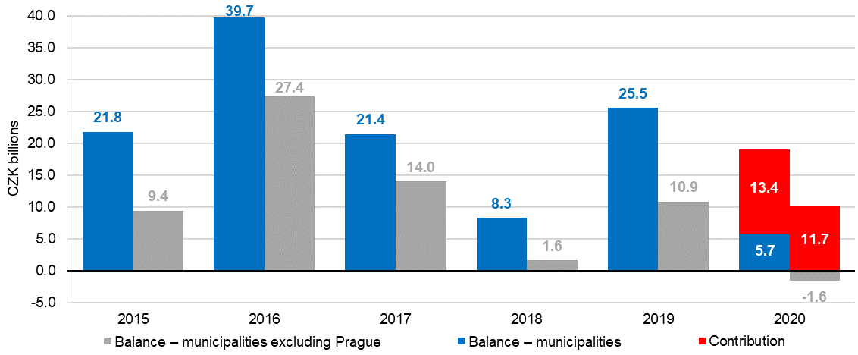

Back to Contents

C B3.2
Effect of the one-off non-refundable contribution on the debt rule
 | No. of municipalities

 | 2020 | 2020 (excluding contribution)
0–10 | 4,208 | 3,878
10–20 | 467 | 557
20–30 | 374 | 405
30–40 | 272 | 340
40–50 | 193 | 222
50–60 | 165 | 200
60–70 | 129 | 140
70–80 | 107 | 125
80–90 | 86 | 79
90–100 | 59 | 77
100–110 | 44 | 53
110–120 | 33 | 42
120–130 | 33 | 29
130–140 | 19 | 31
140–150 | 16 | 19
150 or more | 49 | 57
 | 6,254 | 6,254

 |  |  | Back to Contents

